Analysis & Interpretation
What do the anchors mean?

Anchor # | Democrat Turnout | Democrat Total Voters | Republican Turnout | Republican Total Voters | Meaning
1 | above avg | slightly below avg | above avg | slightly below avg | There are fewer Dem. voters and fewer Rep. voters than average, but both parties had a turnout above average.
2 | slightly below avg | slightly below avg | slightly below avg | slightly below avg | There are fewer Dem. voters and fewer Rep. voters than average, and both parties had below average turnouts.
3 | slightly below avg | above avg | far below avg | slightly below avg | There are more Dem. voters than average, but a less than average turnout. There are fewer Rep. voters than average, and there was a very less than average turnout.

Which counties correspond to each anchor?
Anchor 1 | 10 out of 24 counties | Calvert, Carroll, Frederick, Harford, Howard, Kent, Montgomery, Queen Anne's, Somerset, Talbot
Anchor 2 | 11 out of 24 counties | Allegany, Anne Arundel, Baltimore, Caroline, Cecil, Charles, Dorchester, Garrett, Saint Mary's, Washington, Wicomico, Worcester
Anchor 3 | 1 out of 24 counties | Prince George is the county that represents Anchor 3, but in the data, Excel said #N/A. Since Solver outputted that Prince George's is Anchor 3, I will still count it for Anchor 3.
#N/A | 1 out of 24 counties | Baltimore City; though Prince George's was also outputted as #N/A, I went by Solver's result that it is actually Anchor 3.

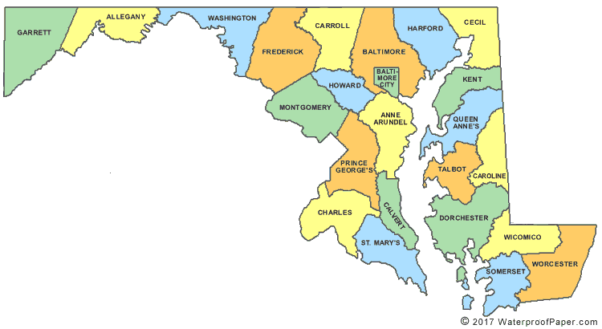

 |  |  |  | Purple Star = Anchor 1 | Eastern areas, more concentrated --> these counties are clustered statistically but also geographically!

 |  |  |  | Pink Star = Anchor 2 | Spread out throughout the state

 |  |  |  | Green Star = Anchor 3 | Middle of the state, close to Virginia

 |  |  |  | Maroon Star = #N/A | Northern Maryland, very metropolitan, may have had very different results that made it not relevant to the anchors

